Summary
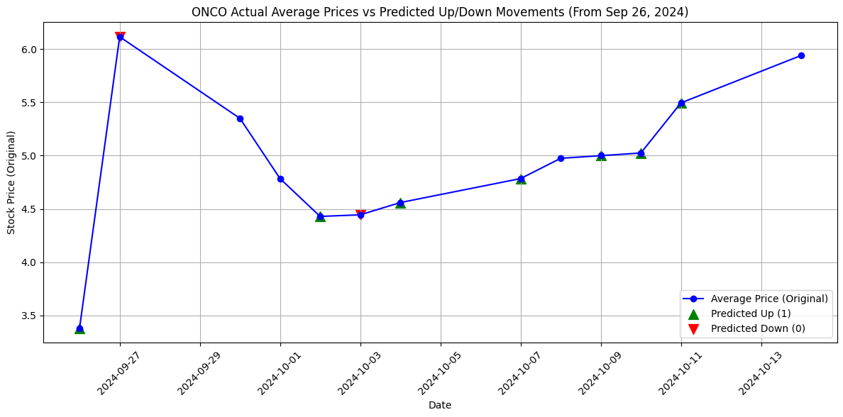
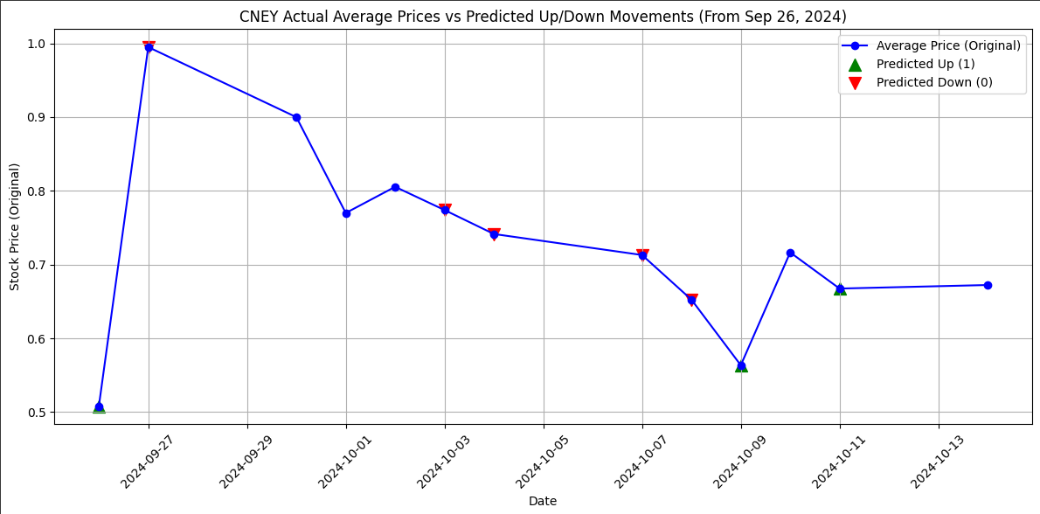
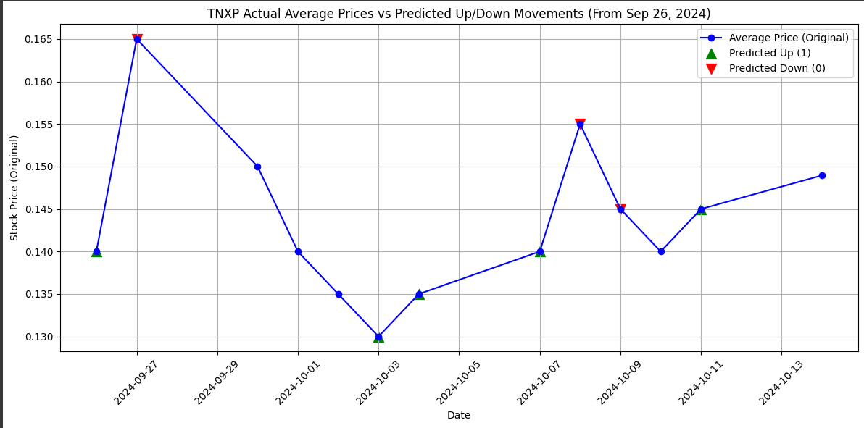
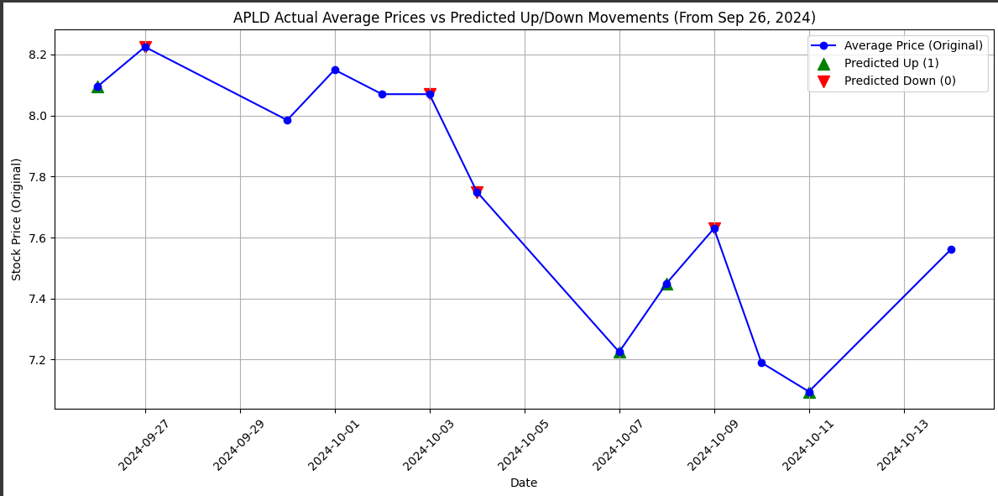
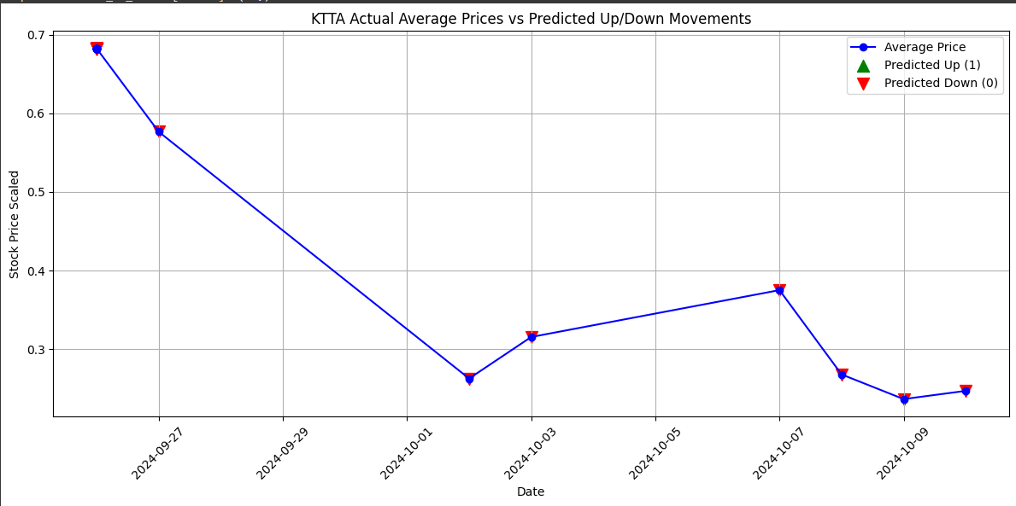
Lorentzian Distance Classifier Evaluation and Chart of Prediction
Ticker | Accuracy | Precision | Recall | F1-Score | Simulation of ROI
ONCO | 60% | 50% | 100% | 67% | 118.57%
CNEY | 75% | 0% | 0% | 0% | 132.01%
TNXP | 0% | 0% | 0% | 0% | 40.52%
APLD | 25% | 33% | 50% | 40% | 7.3%
KTTA | 60% | 0% | 0% | 0% | 0%

ONCO
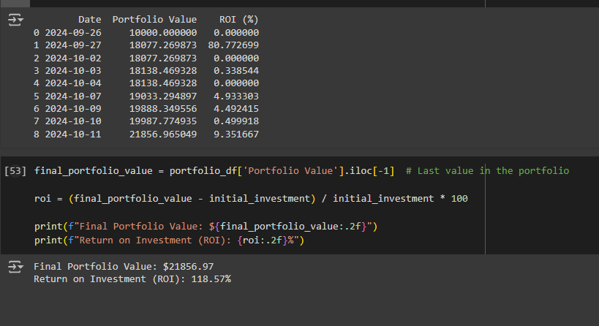
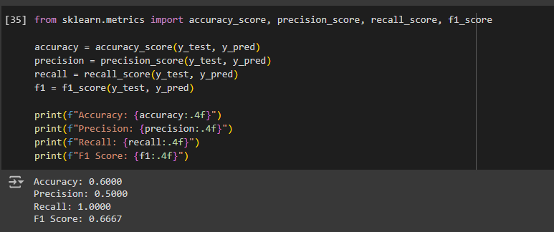
$ONCO

Simulation of Investment

CNEY
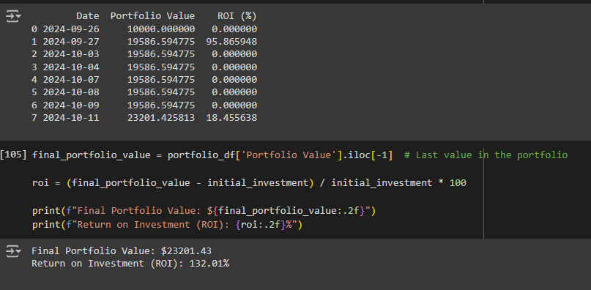
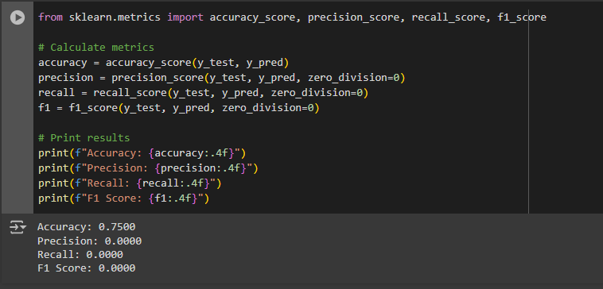
$CNEY

Investment Simulation

TNXP
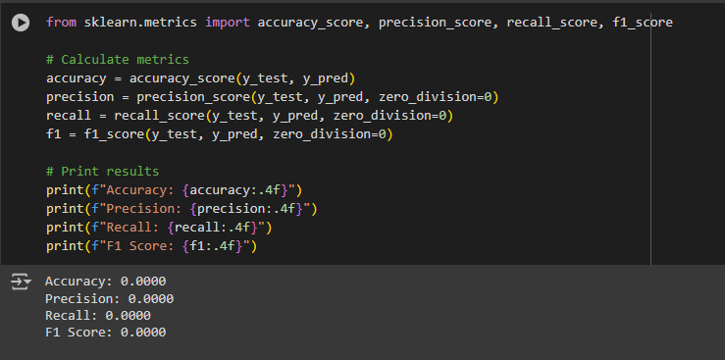
$TNXP

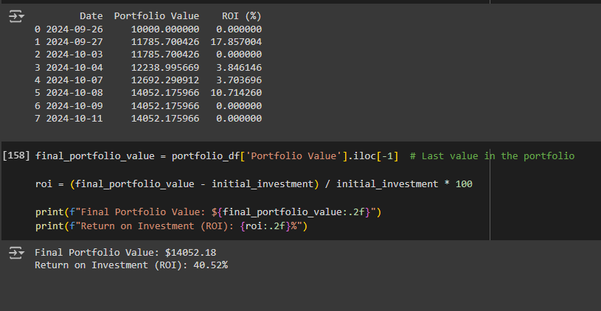
Investment Simulation

APLD
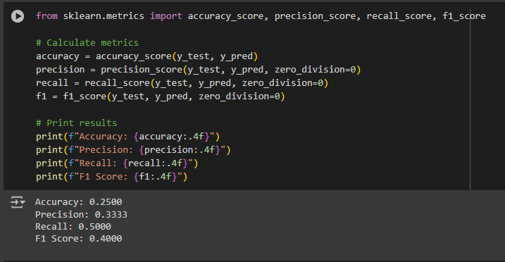
$APLD

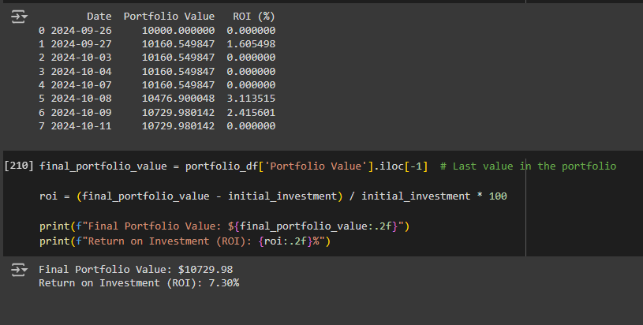
Investment Simulation

KTTA
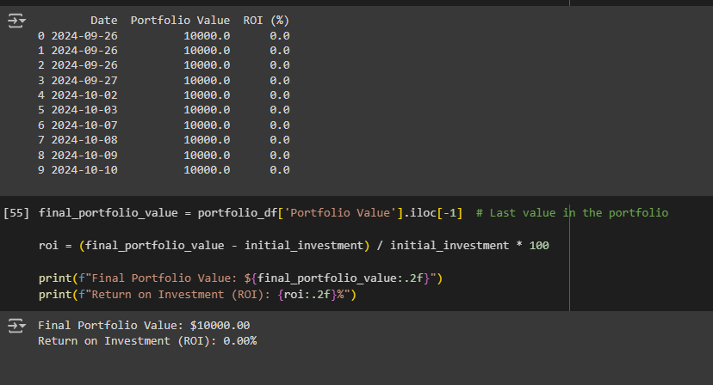
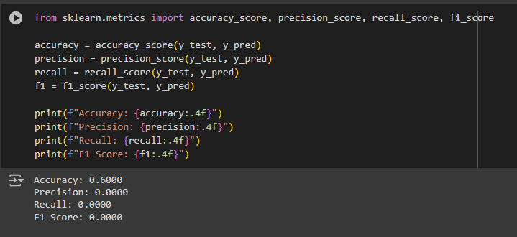
$KTTA

Investment Simulation

